Family Spec-Floor
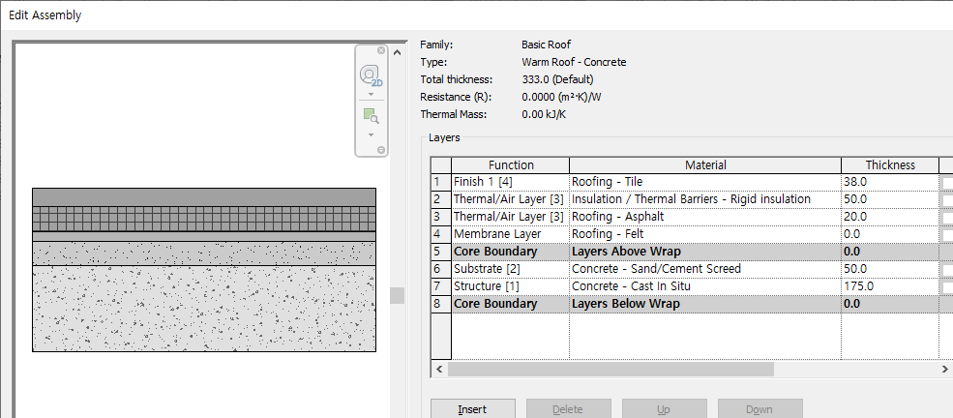
 | [Family Specification]
1 | Family Category | Floors |  |  |  | Family Name : | Floor
 | Floor |  |  |  | System Family | Family Type : | SLFC A1-12-17A_Steel Trowel-Epoxy
 |  |  |  |  |  | *Description : [Steel Trowel] + [Epoxy Paint]
NO. | Work Group | Unit | Work Category-L1 | Work Category -L2 | Work Category -L3 | Spec. 1 - L4 | Spec. 2 - L5 | Spec. 3 - L6 | Spec. 4 - L7 | Spec. 5 - L8 | Spec. 6 - L9 | Spec. 7 - L10 | Spec. 8 - L11 | BOQ Spec. 1 | BOQ Spec. 2 | Modeling | BM | Remark
1 | A04AR138-00001 | #REF! | #REF! | #REF! | #REF! | #REF! | #REF! | #REF! | #REF! | #REF! | #REF! | #REF! | #REF! | #REF! |  |  |  | SLF555_Steel Trowel Finish <T=0>
2 | A04AL080-00006 | #REF! | #REF! | #REF! | #REF! | #REF! | #REF! | #REF! | #REF! | #REF! | #REF! | #REF! | #REF! | #REF! |  |  |  | SLF674_Epoxy Paint <T=0>

TIPO

 | [Family Specification]
1 | Family Category | Floors |  |  |  | Family Name : | Floor
 | Floor |  |  |  | System Family | Family Type : | SLFC A1-14-03A_Liquid Waterproofing-Ceramic Tile
 |  |  |  |  |  | *Description : [Liquid Waterproofing] + [Cement Screed T50] + [Ceramic Tile] For Toilet, Shower
NO. | Work Group | Unit | Work Category-L1 | Work Category -L2 | Work Category -L3 | Spec. 1 - L4 | Spec. 2 - L5 | Spec. 3 - L6 | Spec. 4 - L7 | Spec. 5 - L8 | Spec. 6 - L9 | Spec. 7 - L10 | Spec. 8 - L11 | BOQ Spec. 1 | BOQ Spec. 2 | Modeling | BM | Remark
3 | A04AN000-00001 | #REF! | #REF! | #REF! | #REF! | #REF! | #REF! | #REF! | #REF! | #REF! | #REF! | #REF! | #REF! | #REF! |  |  |  | Slab Top Waterproof Membrane
4 | A04AR133-00001 | #REF! | #REF! | #REF! | #REF! | #REF! | #REF! | #REF! | #REF! | #REF! | #REF! | #REF! | #REF! | #REF! |  |  |  | Cement Screed T50
4 | A04AM083-00001 | #REF! | #REF! | #REF! | #REF! | #REF! | #REF! | #REF! | #REF! | #REF! | #REF! | #REF! | #REF! | #REF! |  |  |  | [Unglazed Ceramic Tile]
TIPO
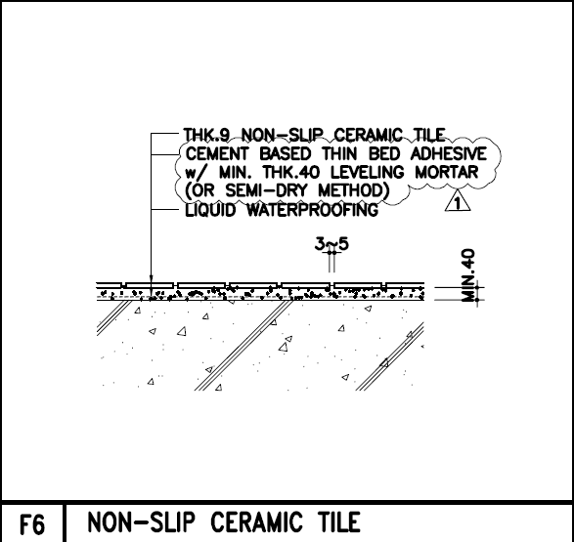
RAPO

 | [Family Specification]
1 | Family Category | Floors |  |  |  | Family Name : | Floor
 | Floor |  |  |  | System Family | Family Type : | SLFC A1-14-03A_Liquid Waterproofing-Ceramic Tile
 |  |  |  |  |  | *Description : [Liquid Waterproofing] + [Cement Screed T50] + [Ceramic Tile] For Toilet, Shower
NO. | Work Group | Unit | Work Category-L1 | Work Category -L2 | Work Category -L3 | Spec. 1 - L4 | Spec. 2 - L5 | Spec. 3 - L6 | Spec. 4 - L7 | Spec. 5 - L8 | Spec. 6 - L9 | Spec. 7 - L10 | Spec. 8 - L11 | BOQ Spec. 1 | BOQ Spec. 2 | Modeling | BM | Remark
3 | A04AN000-00001 | #REF! | #REF! | #REF! | #REF! | #REF! | #REF! | #REF! | #REF! | #REF! | #REF! | #REF! | #REF! | #REF! |  |  |  | Slab Top Waterproof Membrane
4 | A04AR133-00001 | #REF! | #REF! | #REF! | #REF! | #REF! | #REF! | #REF! | #REF! | #REF! | #REF! | #REF! | #REF! | #REF! |  |  |  | Cement Screed T50
4 | A04AM083-00001 | #REF! | #REF! | #REF! | #REF! | #REF! | #REF! | #REF! | #REF! | #REF! | #REF! | #REF! | #REF! | #REF! |  |  |  | [Unglazed Ceramic Tile]
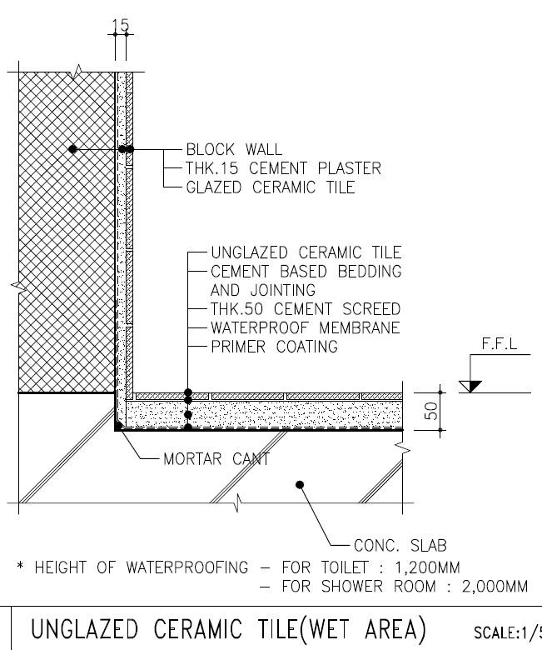
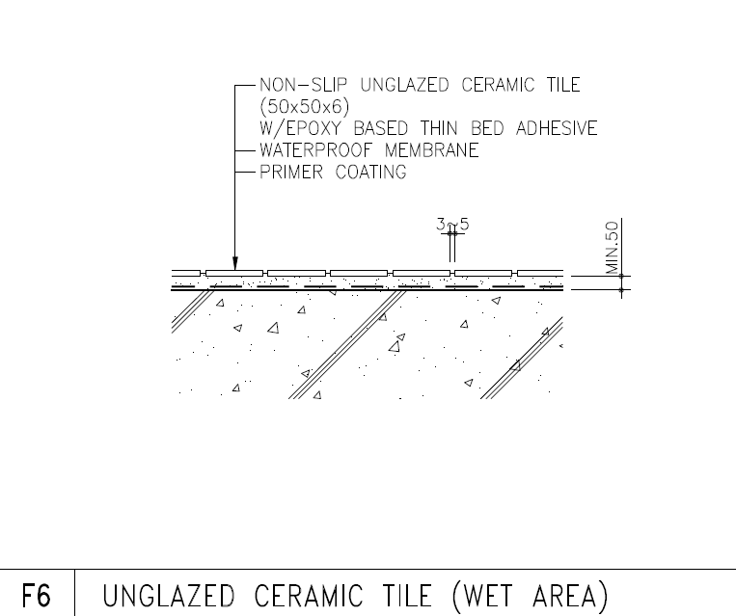
TIPO
Jebel Ali-L

 | [Family Specification]
1 | Family Category | Floors |  |  |  | Family Name : | Floor
 | Floor |  |  |  | System Family | Family Type : | SL301_RC Floor_T150-Epoxy150mm-Deck 600x75
 |  |  |  |  |  | *Description : Epoxy Paint on RC Deck Slab
NO. | Work Group | Unit | Work Category-L1 | Work Category -L2 | Work Category -L3 | Spec. 1 - L4 | Spec. 2 - L5 | Spec. 3 - L6 | Spec. 4 - L7 | Spec. 5 - L8 | Spec. 6 - L9 | Spec. 7 - L10 | Spec. 8 - L11 | BOQ Spec. 1 | BOQ Spec. 2 | Modeling | BM | Remark
1 | A03AD032-00007 | #REF! | #REF! | #REF! | #REF! | #REF! | #REF! | #REF! | #REF! | #REF! | #REF! | #REF! | #REF! | #REF! |  |  |  | AG RC Slab F'c = 25 Mpa
2 | S04AA024-00001 | M2 | Miscellaneous Steel Erection Work | Shelter/Building | Galvanized Steel Deck Plate | 0 | 0 | 0 | 0 | 0 | 0 | 0 | 0 | THK | 0 |  |  | Galva. Steel Deck ALK16, 제작, 시공
3 | A04AR138-00001 | #REF! | #REF! | #REF! | #REF! | #REF! | #REF! | #REF! | #REF! | #REF! | #REF! | #REF! | #REF! | #REF! |  |  |  | Slab Top Finish -Steel Trowel
4 | A04AL080-00006 | #REF! | #REF! | #REF! | #REF! | #REF! | #REF! | #REF! | #REF! | #REF! | #REF! | #REF! | #REF! | #REF! |  |  |  | Slab Top Finish -Epoxy Paint
5 | A03AC037-00002 | #REF! | #REF! | #REF! | #REF! | #REF! | #REF! | #REF! | #REF! | #REF! | #REF! | #REF! | #REF! | #REF! |  |  |  | Rebar
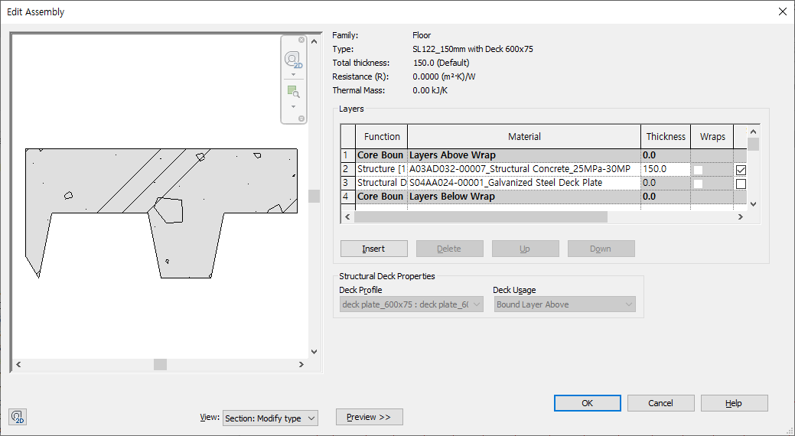
그림교체 필요

JEBEL ALI-L
DEWA
LAHMEYER
 | [Family Specification]
2 | Family Category | Roofs |  |  |  | Family Name : | Basic Roof
 | Basic Roof |  |  |  | System Family | Family Type : | RF101_RC Roof_T150-Concrete_Tile_T50
*Description : 구배몰탈 + 방수 + 단열 + Roof Tile
NO. | Work Group | Unit | Work Category-L1 | Work Category -L2 | Work Category -L3 | Spec. 1 - L4 | Spec. 2 - L5 | Spec. 3 - L6 | Spec. 4 - L7 | Spec. 5 - L8 | Spec. 6 - L9 | Spec. 7 - L10 | Spec. 8 - L11 | BOQ Spec. 1 | BOQ Spec. 2 | Modeling | BM | Remark
1 | A03AD032-00007 | #REF! | #REF! | #REF! | #REF! | #REF! | #REF! | #REF! | #REF! | #REF! | #REF! | #REF! | #REF! | #REF! |  |  |  | AG RC Slab F'c = 25 Mpa
2 | A03AD037-00002 | #REF! | #REF! | #REF! | #REF! | #REF! | #REF! | #REF! | #REF! | #REF! | #REF! | #REF! | #REF! | #REF! |  |  |  | Rebar
3 | A03AD036-00001 | #REF! | #REF! | #REF! | #REF! | #REF! | #REF! | #REF! | #REF! | #REF! | #REF! | #REF! | #REF! | #REF! |  |  |  | FF Form -Slab 하부 Only
4 | A04AP086-00005 | #REF! | #REF! | #REF! | #REF! | #REF! | #REF! | #REF! | #REF! | #REF! | #REF! | #REF! | #REF! | #REF! |  |  |  | Slope Mortar 1:100 Min. T50
5 | A04AP000-00001 | #REF! | #REF! | #REF! | #REF! | #REF! | #REF! | #REF! | #REF! | #REF! | #REF! | #REF! | #REF! | #REF! |  |  |  | Waterproof Membrane
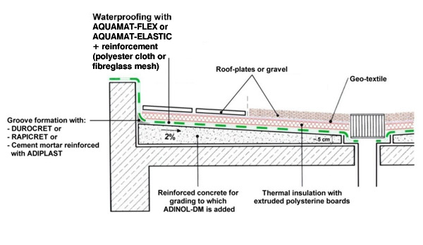
6 | A04AP088-00001 | #REF! | #REF! | #REF! | #REF! | #REF! | #REF! | #REF! | #REF! | #REF! | #REF! | #REF! | #REF! | #REF! |  |  |  | Insulation : T50, Rigid Extruded Polystyrene Foam
7 | A04AP012-00001 | #REF! | #REF! | #REF! | #REF! | #REF! | #REF! | #REF! | #REF! | #REF! | #REF! | #REF! | #REF! | #REF! |  |  |  | Vapour Barrier : THK.0.1 PE Sheet 2Ply
8 | A04AP093-00001 | #REF! | #REF! | #REF! | #REF! | #REF! | #REF! | #REF! | #REF! | #REF! | #REF! | #REF! | #REF! | #REF! |  |  |  | T20 Sand
9 | A04AP095-00001 | #REF! | #REF! | #REF! | #REF! | #REF! | #REF! | #REF! | #REF! | #REF! | #REF! | #REF! | #REF! | #REF! |  |  |  | Geotextile
10 | A04AP090-00001 | #REF! | #REF! | #REF! | #REF! | #REF! | #REF! | #REF! | #REF! | #REF! | #REF! | #REF! | #REF! | #REF! |  |  |  | Roof Tile, T50

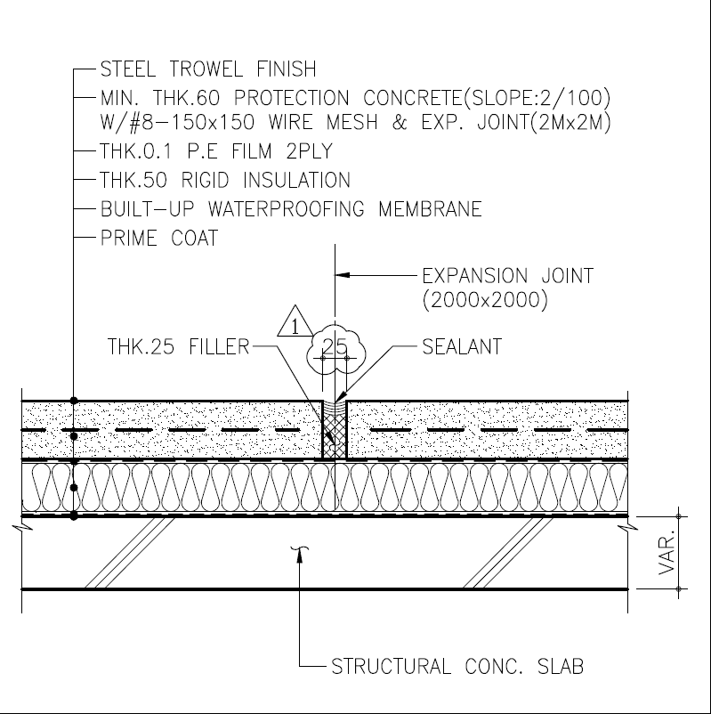
TVEP-구체 Slope
 | [Family Specification]
2 | Family Category | Roofs |  |  |  | Family Name : | Basic Roof
 | Basic Roof |  |  |  | System Family | Family Type : | RF101_Slope RC Roof_T150-Protection_T60
*Description : 구체구배 + 방수 + 단열 + Protection Concrete
NO. | Work Group | Unit | Work Category-L1 | Work Category -L2 | Work Category -L3 | Spec. 1 - L4 | Spec. 2 - L5 | Spec. 3 - L6 | Spec. 4 - L7 | Spec. 5 - L8 | Spec. 6 - L9 | Spec. 7 - L10 | Spec. 8 - L11 | BOQ Spec. 1 | BOQ Spec. 2 | Modeling | BM | Remark
1 | A03AD032-00007 | #REF! | #REF! | #REF! | #REF! | #REF! | #REF! | #REF! | #REF! | #REF! | #REF! | #REF! | #REF! | #REF! |  | 구체구배 |  | AG RC Slab F'c = 25 Mpa
2 | A03AD037-00002 | #REF! | #REF! | #REF! | #REF! | #REF! | #REF! | #REF! | #REF! | #REF! | #REF! | #REF! | #REF! | #REF! |  |  |  | Rebar
3 | A03AD036-00001 | #REF! | #REF! | #REF! | #REF! | #REF! | #REF! | #REF! | #REF! | #REF! | #REF! | #REF! | #REF! | #REF! |  |  |  | FF Form -Slab 하부 Only
5 | A04AP000-00001 | #REF! | #REF! | #REF! | #REF! | #REF! | #REF! | #REF! | #REF! | #REF! | #REF! | #REF! | #REF! | #REF! |  |  |  | Waterproof Membrane
6 | A04AP088-00001 | #REF! | #REF! | #REF! | #REF! | #REF! | #REF! | #REF! | #REF! | #REF! | #REF! | #REF! | #REF! | #REF! |  |  |  | Insulation : T50, Rigid Extruded Polystyrene Foam
7 | A04AP012-00001 | #REF! | #REF! | #REF! | #REF! | #REF! | #REF! | #REF! | #REF! | #REF! | #REF! | #REF! | #REF! | #REF! |  |  |  | Vapour Barrier : THK.0.1 PE Sheet 2Ply
8 | A04AP089-00001 | #REF! | #REF! | #REF! | #REF! | #REF! | #REF! | #REF! | #REF! | #REF! | #REF! | #REF! | #REF! | #REF! |  |  |  | Protection Concrete, Min.T60
9 | A04AP038-00001 | #REF! | #REF! | #REF! | #REF! | #REF! | #REF! | #REF! | #REF! | #REF! | #REF! | #REF! | #REF! | #REF! |  |  |  | #8-150x150 Wire Mesh

 | [Family Specification]
2 | Family Category | Roofs |  |  |  | Family Name : | Basic Roof
 | Basic Roof |  |  |  | System Family | Family Type : | RFF701_Cladding-Glass Wool_T200
*Description : 구체구배 + 방수 + 단열 + Protection Concrete
NO. | Work Group | Unit | Work Category-L1 | Work Category -L2 | Work Category -L3 | Spec. 1 - L4 | Spec. 2 - L5 | Spec. 3 - L6 | Spec. 4 - L7 | Spec. 5 - L8 | Spec. 6 - L9 | Spec. 7 - L10 | Spec. 8 - L11 | BOQ Spec. 1 | BOQ Spec. 2 | Modeling | BM | Remark
1 | A05ZZ166-00032 | #REF! | #REF! | #REF! | #REF! | #REF! | #REF! | #REF! | #REF! | #REF! | #REF! | #REF! | #REF! | #REF! |  | 구체구배 |  | AG RC Slab F'c = 25 Mpa

 | [Family Specification]
3 | Family Category | Walls |  |  |  | Family Name : | Basic Wall
 | Basic Wall |  |  |  | System Family | Family Type : | WA110_Ext. RC Wall_UG_200
 |  |  |  |  |  | *Description :
NO. | Work Group | Unit | Work Category-L1 | Work Category -L2 | Work Category -L3 | Spec. 1 - L4 | Spec. 2 - L5 | Spec. 3 - L6 | Spec. 4 - L7 | Spec. 5 - L8 | Spec. 6 - L9 | Spec. 7 - L10 | Spec. 8 - L11 | BOQ Spec. 1 | BOQ Spec. 2 | Modeling | BM | Remark
1 | A03AC032-00009 | #REF! | #REF! | #REF! | #REF! | #REF! | #REF! | #REF! | #REF! | #REF! | #REF! | #REF! | #REF! | #REF! |  | O | Cat.1 | UG RC Wall F'c = 25 Mpa
2 | A03AC035-00001 | #REF! | #REF! | #REF! | #REF! | #REF! | #REF! | #REF! | #REF! | #REF! | #REF! | #REF! | #REF! | #REF! |  | X | Cat.2 | Normal Faced Form -Wall 양면
3 | A03AD037-00002 | #REF! | #REF! | #REF! | #REF! | #REF! | #REF! | #REF! | #REF! | #REF! | #REF! | #REF! | #REF! | #REF! |  | X | Cat.2 | Rebar
4 | A03AC046-00001 | #REF! | #REF! | #REF! | #REF! | #REF! | #REF! | #REF! | #REF! | #REF! | #REF! | #REF! | #REF! | #REF! |  | X Detail 도면 처리 | Cat.3 | Water Stop
5 | A03AD051-00001 | #REF! | #REF! | #REF! | #REF! | #REF! | #REF! | #REF! | #REF! | #REF! | #REF! | #REF! | #REF! | #REF! |  | X Detail 도면 처리 | Cat.3 | Groove Joint
6 | A03AE059-00001 | #REF! | #REF! | #REF! | #REF! | #REF! | #REF! | #REF! | #REF! | #REF! | #REF! | #REF! | #REF! | #REF! |  | O | Cat.2 | Waterproof Mambrane
7 | A03AE060-00001 | #REF! | #REF! | #REF! | #REF! | #REF! | #REF! | #REF! | #REF! | #REF! | #REF! | #REF! | #REF! | #REF! |  | O | Cat.2 | Protection Board
8 | A04AL078-00001 | #REF! | #REF! | #REF! | #REF! | #REF! | #REF! | #REF! | #REF! | #REF! | #REF! | #REF! | #REF! | #REF! |  | O | Cat.2 | 내벽페인트
9 | A04AL081-00001 | #REF! | #REF! | #REF! | #REF! | #REF! | #REF! | #REF! | #REF! | #REF! | #REF! | #REF! | #REF! | #REF! |  |  |  | 내벽 Base

 | [Family Specification]
3 | Family Category | Walls |  |  |  | Family Name : | Basic Wall
 | Basic Wall |  |  |  | System Family | Family Type : | WA221_Int. Brick Wall_1.0B-
 |  |  |  |  |  | *Description :
NO. | Work Group | Unit | Work Category-L1 | Work Category -L2 | Work Category -L3 | Spec. 1 - L4 | Spec. 2 - L5 | Spec. 3 - L6 | Spec. 4 - L7 | Spec. 5 - L8 | Spec. 6 - L9 | Spec. 7 - L10 | Spec. 8 - L11 | BOQ Spec. 1 | BOQ Spec. 2 | Modeling | BM | Remark
1 | A04AK073-00002 | #REF! | #REF! | #REF! | #REF! | #REF! | #REF! | #REF! | #REF! | #REF! | #REF! | #REF! | #REF! | #REF! |  |  |  | 1.0B Concrete Brick
5 | A04AL078-00002 | #REF! | #REF! | #REF! | #REF! | #REF! | #REF! | #REF! | #REF! | #REF! | #REF! | #REF! | #REF! | #REF! |  |  |  | 내부 페인트
6 | A04AL081-00001 | #REF! | #REF! | #REF! | #REF! | #REF! | #REF! | #REF! | #REF! | #REF! | #REF! | #REF! | #REF! | #REF! |  |  |  | 내부 Wall Base
8 | A04AS164-00001 | #REF! | #REF! | #REF! | #REF! | #REF! | #REF! | #REF! | #REF! | #REF! | #REF! | #REF! | #REF! | #REF! |  |  |  | 외부 Plaster, T15
9 | A04AS164-00002 | #REF! | #REF! | #REF! | #REF! | #REF! | #REF! | #REF! | #REF! | #REF! | #REF! | #REF! | #REF! | #REF! |  |  |  | 내부 Plaster, T15

 | [Family Specification]
3 | Family Category | Walls |  |  |  | Family Name : | Basic Wall
 | Basic Wall |  |  |  | System Family | Family Type : | WA310_Ext. Cavity Wall Block_100-50-200
 |  |  |  |  |  | *Description :
NO. | Work Group | Unit | Work Category-L1 | Work Category -L2 | Work Category -L3 | Spec. 1 - L4 | Spec. 2 - L5 | Spec. 3 - L6 | Spec. 4 - L7 | Spec. 5 - L8 | Spec. 6 - L9 | Spec. 7 - L10 | Spec. 8 - L11 | BOQ Spec. 1 | BOQ Spec. 2 | Modeling | BM | Remark
1 | A04AK069-00001 | #REF! | #REF! | #REF! | #REF! | #REF! | #REF! | #REF! | #REF! | #REF! | #REF! | #REF! | #REF! | #REF! |  |  |  | 4 in. Block
2 | A04AK069-00002 | #REF! | #REF! | #REF! | #REF! | #REF! | #REF! | #REF! | #REF! | #REF! | #REF! | #REF! | #REF! | #REF! |  |  |  | 8 in. Block
3 | A04AK076-00001 | #REF! | #REF! | #REF! | #REF! | #REF! | #REF! | #REF! | #REF! | #REF! | #REF! | #REF! | #REF! | #REF! |  |  |  | Insulation - Mineral Wool
4 | A04AL077-00001 | #REF! | #REF! | #REF! | #REF! | #REF! | #REF! | #REF! | #REF! | #REF! | #REF! | #REF! | #REF! | #REF! |  |  |  | 외부 페인트
5 | A04AL078-00002 | #REF! | #REF! | #REF! | #REF! | #REF! | #REF! | #REF! | #REF! | #REF! | #REF! | #REF! | #REF! | #REF! |  |  |  | 내부 페인트
6 | A04AL081-00001 | #REF! | #REF! | #REF! | #REF! | #REF! | #REF! | #REF! | #REF! | #REF! | #REF! | #REF! | #REF! | #REF! |  |  |  | 내부 Wall Base
8 | A04AS164-00001 | #REF! | #REF! | #REF! | #REF! | #REF! | #REF! | #REF! | #REF! | #REF! | #REF! | #REF! | #REF! | #REF! |  |  |  | 외부 Plaster, T15
9 | A04AS164-00002 | #REF! | #REF! | #REF! | #REF! | #REF! | #REF! | #REF! | #REF! | #REF! | #REF! | #REF! | #REF! | #REF! |  |  |  | 내부 Plaster, T15

 | [Family Specification]
3 | Family Category | Walls |  |  |  | Family Name : | Basic Wall
 | Basic Wall |  |  |  | System Family | Family Type : | WA431_Int. Gypsum Wall-2 Layer-Insulation_100
 |  |  |  |  |  | *Description :
NO. | Work Group | Unit | Work Category-L1 | Work Category -L2 | Work Category -L3 | Spec. 1 - L4 | Spec. 2 - L5 | Spec. 3 - L6 | Spec. 4 - L7 | Spec. 5 - L8 | Spec. 6 - L9 | Spec. 7 - L10 | Spec. 8 - L11 | BOQ Spec. 1 | BOQ Spec. 2 | Modeling | BM | Remark
1 | A04AR143-00013 | #REF! | #REF! | #REF! | #REF! | #REF! | #REF! | #REF! | #REF! | #REF! | #REF! | #REF! | #REF! | #REF! |  |  |  | Gypsum Board T9.5 2 Layer, Both Side Mineral Wool
5 | A04AL078-00002 | #REF! | #REF! | #REF! | #REF! | #REF! | #REF! | #REF! | #REF! | #REF! | #REF! | #REF! | #REF! | #REF! |  |  |  | 내부 페인트- Both Side
6 | A04AL081-00001 | #REF! | #REF! | #REF! | #REF! | #REF! | #REF! | #REF! | #REF! | #REF! | #REF! | #REF! | #REF! | #REF! |  |  |  | 내부 Wall Base-Both Side

 | [Family Specification]
3 | Family Category | Walls |  |  |  | Family Name : | Basic Wall
 | Basic Wall |  |  |  | System Family | Family Type : | WA501-Ext. Sandwich Panel Wall_100
 |  |  |  |  |  | *Description :
NO. | Work Group | Unit | Work Category-L1 | Work Category -L2 | Work Category -L3 | Spec. 1 - L4 | Spec. 2 - L5 | Spec. 3 - L6 | Spec. 4 - L7 | Spec. 5 - L8 | Spec. 6 - L9 | Spec. 7 - L10 | Spec. 8 - L11 | BOQ Spec. 1 | BOQ Spec. 2 | Modeling | BM | Remark
1 | A05ZZ166-00002 | #REF! | #REF! | #REF! | #REF! | #REF! | #REF! | #REF! | #REF! | #REF! | #REF! | #REF! | #REF! | #REF! |  |  |  | T100 Wall Cladding, Mineral Wool

[Family Specification]
 | Family Category | Ceilings |  |  |  | Family Name | Basic Ceiling
 | Basic Ceiling |  |  |  | System Family | Family Type | CE610-Acrylic Emulsion Paint
 |  |  |  |  |  | *Description : | CE610-아크릴페인트 천장 (3회)
NO. | Work Group | Unit | Work Category-L1 | Work Category -L2 | Work Category -L3 | Spec. 1 - L4 | Spec. 2 - L5 | Spec. 3 - L6 | Spec. 4 - L7 | Spec. 5 - L8 | Spec. 6 - L9 | Spec. 7 - L10 | Spec. 8 - L11 | BOQ Spec. 1 | BOQ Spec. 2 | Modeling | BM | Remark
1 | A04AL079-00001 | #REF! | #REF! | #REF! | #REF! | #REF! | #REF! | #REF! | #REF! | #REF! | #REF! | #REF! | #REF! | #REF!
2
3

 | [Family Specification]
 | Family Category | Ceilings |  |  |  | Family Name | Basic Ceiling
 | Basic Ceiling |  |  |  | System Family | Family Type | CE620-Water Emulsion Paint
 |  |  |  |  |  | *Description : | CE620-수성페인트 천장 (3회)
NO. | Work Group | Unit | Work Category-L1 | Work Category -L2 | Work Category -L3 | Spec. 1 - L4 | Spec. 2 - L5 | Spec. 3 - L6 | Spec. 4 - L7 | Spec. 5 - L8 | Spec. 6 - L9 | Spec. 7 - L10 | Spec. 8 - L11 | BOQ Spec. 1 | BOQ Spec. 2 | Modeling | BM | Remark
1 | A04AL079-00002 | #REF! | #REF! | #REF! | #REF! | #REF! | #REF! | #REF! | #REF! | #REF! | #REF! | #REF! | #REF! | #REF!
2
3

 | [Family Specification]
 | Family Category | Ceilings |  |  |  | Family Name : | Compound Ceiling
 | Compound Ceiling |  |  |  | System Family | Family Type : | CE741_Acoustic Tiled Ceiling System-600x600x9t_T-bar
 |  |  |  |  |  | *Description : | 암면흡음텍스 천장, SUSPENDED ACOUSTIC CEILING SYSTEM 600x600x9mm_T-Bar
NO. | Work Group | Unit | Work Category-L1 | Work Category -L2 | Work Category -L3 | Spec. 1 - L4 | Spec. 2 - L5 | Spec. 3 - L6 | Spec. 4 - L7 | Spec. 5 - L8 | Spec. 6 - L9 | Spec. 7 - L10 | Spec. 8 - L11 | BOQ Spec. 1 | BOQ Spec. 2 | Modeling | BM | Remark
1 | A04AR156-00002 | #REF! | #REF! | #REF! | #REF! | #REF! | #REF! | #REF! | #REF! | #REF! | #REF! | #REF! | #REF! | #REF!
2
3

 | [Family Specification]
 | Family Category | Ceilings |  |  |  | Family Name : | Compound Ceiling
 | Compound Ceiling |  |  |  | System Family | Family Type : | CE761_Moisture Resistant Tiled Ceiling System_M-bar
 |  |  |  |  |  | *Description :
NO. | Work Group | Unit | Work Category-L1 | Work Category -L2 | Work Category -L3 | Spec. 1 - L4 | Spec. 2 - L5 | Spec. 3 - L6 | Spec. 4 - L7 | Spec. 5 - L8 | Spec. 6 - L9 | Spec. 7 - L10 | Spec. 8 - L11 | BOQ Spec. 1 | BOQ Spec. 2 | Modeling | BM | Remark
1 | A04AR157-00001 | #REF! | #REF! | #REF! | #REF! | #REF! | #REF! | #REF! | #REF! | #REF! | #REF! | #REF! | #REF! | #REF!
2
3

 | [Family Specification]
 | Family Category | Doors |  |  |  | Family Name : | DR101-Door Square Opening
 | Door Square Opening |  |  |  |  | Family Type : | DR101_1015x2134
 |  |  |  |  |  | *Description :
NO. | Work Group | Unit | Work Category-L1 | Work Category -L2 | Work Category -L3 | Spec. 1 - L4 | Spec. 2 - L5 | Spec. 3 - L6 | Spec. 4 - L7 | Spec. 5 - L8 | Spec. 6 - L9 | Spec. 7 - L10 | Spec. 8 - L11 | BOQ Spec. 1 | BOQ Spec. 2 | Modeling | BM | Remark
1 |  | #REF! | #REF! | #REF! | #REF! | #REF! | #REF! | #REF! | #REF! | #REF! | #REF! | #REF! | #REF! | #REF!
2
3

 | [Family Specification]
 | Family Category | Doors |  |  |  | Family Name : | DR110-Single Door
 | Single Door |  |  |  |  | Family Type : | DR111-Steel Door-1000x2100mm-Normal
 |  |  |  |  |  | *Description :
NO. | Work Group | Unit | Work Category-L1 | Work Category -L2 | Work Category -L3 | Spec. 1 - L4 | Spec. 2 - L5 | Spec. 3 - L6 | Spec. 4 - L7 | Spec. 5 - L8 | Spec. 6 - L9 | Spec. 7 - L10 | Spec. 8 - L11 | BOQ Spec. 1 | BOQ Spec. 2 | Modeling | BM | Remark
1 | A04AQ098-00002 | #REF! | #REF! | #REF! | #REF! | #REF! | #REF! | #REF! | #REF! | #REF! | #REF! | #REF! | #REF! | #REF!
2
3

 | [Family Specification]
 | Family Category | Doors |  |  |  | Family Name : | DR110-Single Door
 | Single Door |  |  |  |  | Family Type : | DR111-Steel Door-1000x2100mm-FR 0.5 Hr
 |  |  |  |  |  | *Description :
NO. | Work Group | Unit | Work Category-L1 | Work Category -L2 | Work Category -L3 | Spec. 1 - L4 | Spec. 2 - L5 | Spec. 3 - L6 | Spec. 4 - L7 | Spec. 5 - L8 | Spec. 6 - L9 | Spec. 7 - L10 | Spec. 8 - L11 | BOQ Spec. 1 | BOQ Spec. 2 | Modeling | BM | Remark
1 | A04AQ098-00005 | #REF! | #REF! | #REF! | #REF! | #REF! | #REF! | #REF! | #REF! | #REF! | #REF! | #REF! | #REF! | #REF!
2
3

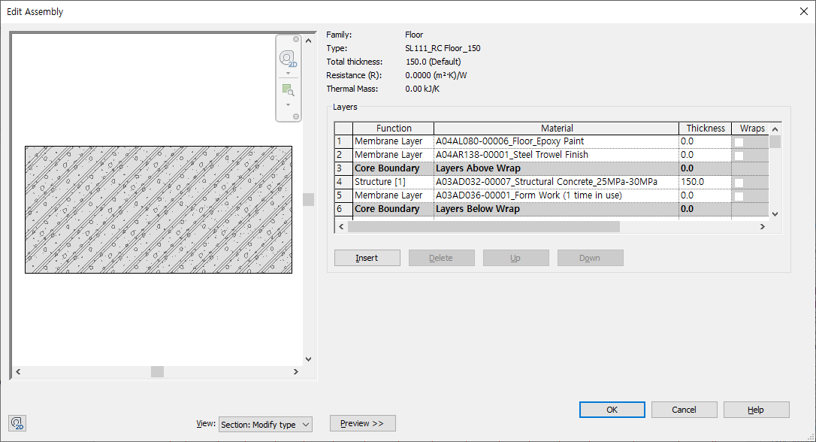
 |  |  |  |  |  |  |  |  |  |  |  |  |  |  |  |  |  |  | 2
 | [Family Specification]
 | Family Category | Roofs |  |  |  | Family Name : | Basic Roof
 | Basic Roof |  |  |  | System Family | Family Type : | RF111_Warm Roof-Concrete_Tile_250
 |  |  |  |  |  | *Description :
NO. | Work Group | Unit | Work Category-L1 | Work Category -L2 | Work Category -L3 | Spec. 1 - L4 | Spec. 2 - L5 | Spec. 3 - L6 | Spec. 4 - L7 | Spec. 5 - L8 | Spec. 6 - L9 | Spec. 7 - L10 | Spec. 8 - L11 | BOQ Spec. 1 | BOQ Spec. 2 | Modeling | BM | Remark
1 | A03AD032-00007 | #REF! | #REF! | #REF! | #REF! | #REF! | #REF! | #REF! | #REF! | #REF! | #REF! | #REF! | #REF! | #REF!
2 | A04AP086-00005 | #REF! | #REF! | #REF! | #REF! | #REF! | #REF! | #REF! | #REF! | #REF! | #REF! | #REF! | #REF! | #REF!
3 | A04AP000-00001 | #REF! | #REF! | #REF! | #REF! | #REF! | #REF! | #REF! | #REF! | #REF! | #REF! | #REF! | #REF! | #REF!
4 | A04AP088-00001 | #REF! | #REF! | #REF! | #REF! | #REF! | #REF! | #REF! | #REF! | #REF! | #REF! | #REF! | #REF! | #REF!
5 | A04AP012-00001 | #REF! | #REF! | #REF! | #REF! | #REF! | #REF! | #REF! | #REF! | #REF! | #REF! | #REF! | #REF! | #REF!
6 | A04AP090-00001 | #REF! | #REF! | #REF! | #REF! | #REF! | #REF! | #REF! | #REF! | #REF! | #REF! | #REF! | #REF! | #REF!

